Test cases
Test case number | Test case name | Description | Test Steps | Test Data | Expected Result | Actual Result | Severity | Priority | Tested By | Test Status | Test Creation Date | Test Execution Date | DEFECT NO
TSF_01_TC01 | Dropdown visibility | Verify that the dropdown filter is visible and present on the homepage. | Launch the Browser | Chrome Browser should be installed in your system and internet should be available | yes chrome browser launched | yes chrome browser launched | critical | p1 | Abusufiyan | pass | 2024-10-22 | 2024-10-22
 |  |  | Login with valid credentials. To check if the dropdown filter is present in the homepage. | Login Credentials (for accessing the dropdown filter on homepage) Username: standard_user Password: secret_sauce | The dropdown filter should be visible and clickable. | The dropdown filter is visible and clickable. |  |  | Abusufiyan | pass | 2024-10-22 | 2024-10-22
TSF_02_TC02 | Default Dropdown filter verification | Check if the default option in the dropdown filter is as expected from "(A to Z)". | Launch the Browser | Chrome Browser should be installed in your system and internet should be available | yes chrome browser launched | yes chrome browser launched | critical | p1 | Abusufiyan | pass | 2024-10-22 | 2024-10-22
 |  |  | Login with valid credentials. To check if the dropdown filter with default (A-Z) is applied for items sorting. | Login Credentials (for accessing the dropdown filter on homepage) Username: standard_user Password: secret_sauce | The default filter selection should be "Name (A to Z)" | The default filter selection is "Name (A to Z)". |  |  | Abusufiyan | pass | 2024-10-22 | 2024-10-22
TSF_03_TC03 | Dropdown filter sorting from (Low-High) price. | Verify that selecting "Price (low to high)" sorts the products from the lowest to highest price. | Launch the Browser | Chrome Browser should be installed in your system and internet should be available | yes chrome browser launched | yes chrome browser launched | critical | p1 | Abusufiyan | pass | 2024-10-22 | 2024-10-22
 |  |  | Login with valid credentials. Click on the dropdown filter. Select the option "Price (low to high)". Verify that the products are sorted in ascending order of price. | Login Credentials (for accessing the dropdown filter on homepage) Username: standard_user Password: secret_sauce | The products should be sorted from the lowest to the highest price. | The products are sorted from the lowest to the highest price. |  |  | Abusufiyan | pass | 2024-10-22 | 2024-10-22
TSF_04_TC04 | Dropdown filter sorting from (High-Low) price. | Verify that selecting "Price (high to low)" sorts the products from the highest to lowest price. | Launch the Browser | Chrome Browser should be installed in your system and internet should be available | yes chrome browser launched | yes chrome browser launched | critical | p1 | Abusufiyan | pass | 2024-10-22 | 2024-10-22
 |  |  | Login with valid credentials. Click on the dropdown filter. Select the option "Price (high-low)". Verify that the products are sorted in descending order of price. | Login Credentials (for accessing the dropdown filter on homepage) Username: standard_user Password: secret_sauce | The products should be sorted from the highest to the lowest price. | The products are sorted from the highest to the lowest price. |  |  | Abusufiyan | pass | 2024-10-22 | 2024-10-22
TSF_05_TC05 | Dropdown filter sorting from (A-Z) alphabetically. | Verify that selecting "Name (A to Z)" sorts the products alphabetically in ascending order. | Launch the Browser | Chrome Browser should be installed in your system and internet should be available | yes chrome browser launched | yes chrome browser launched | critical | p1 | Abusufiyan | pass | 2024-10-22 | 2024-10-22
 |  |  | Login with valid credentials. Click on the dropdown filter. Select the option "Name (A to Z)". Verify that the products are sorted alphabetically from A to Z. | Login Credentials (for accessing the dropdown filter on homepage) Username: standard_user Password: secret_sauce | The products should be sorted alphabetically from A to Z. | The products aree sorted alphabetically from A to Z. |  |  | Abusufiyan | pass | 2024-10-22 | 2024-10-22
TSF_06_TC06 | Dropdown filter sorting from (Z-A) alphabetically. | Verify that selecting "Name (Z to A)" sorts the products alphabetically in descending order. | Launch the Browser | Chrome Browser should be installed in your system and internet should be available | yes chrome browser launched | yes chrome browser launched | critical | p1 | Abusufiyan | pass | 2024-10-22 | 2024-10-22
 |  |  | Login with valid credentials. Click on the dropdown filter. Select the option "Name (Z to A)". Verify that the products are sorted alphabetically from Z to A. | Login Credentials (for accessing the dropdown filter on homepage) Username: standard_user Password: secret_sauce | The products should be sorted alphabetically from Z to A. | The products are sorted alphabetically from Z to A. |  |  | Abusufiyan | pass | 2024-10-22 | 2024-10-22
TSF_07_TC07 | Search bar icon visibility | Verifying the visibility of Search bar icon on the homepage to search for the desired products. | Launch the Browser | Chrome Browser should be installed in your system and internet should be available | yes chrome browser launched | yes chrome browser launched | critical | p1 | Abusufiyan | pass | 2024-10-22 | 2024-10-22
 |  |  | Login with valid credentials. To check if the Search bar icon is present in the homepage. | Login Credentials (for accessing the Search bar on homepage) Username: standard_user Password: secret_sauce | The search bar should be visible on the homepage as per the expected design and functionality. | The search bar is not visible on the homepage as per the actual design and functionality. |  |  | Abusufiyan | fail | 2024-10-22 | 2024-10-22 | TSF_07_TC07_Defect_01
TSF_08_TC08 | Side menu bar functioning when clicked on icon. | Verify that the side menu bar opens when clicked on Hamburger Icon. | Launch the Browser | Chrome Browser should be installed in your system and internet should be available | yes chrome browser launched | yes chrome browser launched | critical | p1 | Abusufiyan | pass | 2024-10-22 | 2024-10-22
 |  |  | Login with valid credentials. Locate the side menu button hamburger icon. Click on the side menu button. Observe whether the side menu bar opens as expected. | Login Credentials (for accessing the main menu bar on homepage) Username: standard_user Password: secret_sauce | The side menu bar should smoothly slide open, making its contents visible. | The side menu bar is smoothly opened, making its contents visible. |  |  | Abusufiyan | pass | 2024-10-22 | 2024-10-22
TSF_09_TC09 | Clicking on "About" option on side menu bar. | Verify that clicking "About" in the side menu bar navigates to the correct "About" page of the website. | Launch the Browser | Chrome Browser should be installed in your system and internet should be available | yes chrome browser launched | yes chrome browser launched | critical | p1 | Abusufiyan | pass | 2024-10-22 | 2024-10-22
 |  |  | Login with valid credentials. Locate the side menu button hamburger icon. Click on the side menu button. Click on the "About" option from the list of options in the menu. | Login Credentials (for accessing the main menu on homepage) Username: standard_user Password: secret_sauce | After clicking "About" the system should successfully navigate to the "About" page. | After clicking "About" the system have successfully navigated to the "About" page. |  |  | Abusufiyan | pass | 2024-10-22 | 2024-10-22
TSF_10_TC10 | Clicking on "Cross mark" option on side menu bar. | Verify that clicking the cross mark in the side menu bar closes the side menu | Launch the Browser | Chrome Browser should be installed in your system and internet should be available | yes chrome browser launched | yes chrome browser launched | critical | p1 | Abusufiyan | pass | 2024-10-22 | 2024-10-22
 |  |  | Login with valid credentials. Locate the side menu button hamburger icon. Click on the side menu button. Locate the cross mark (X) button within the side menu bar. Click the cross mark to close the side menu. Observe the system's behavior and verify if the side menu closes. | Login Credentials (for accessing the main menu on homepage) Username: standard_user Password: secret_sauce | Clicking the cross mark should immediately close the side menu. | The side menu does not close after clicking the cross mark.- |  |  | Abusufiyan | pass | 2024-10-22 | 2024-10-22 | TSF_10_TC10_Defect_02

 |  |  |  |  |  |  |  |  |  |  |  |  | 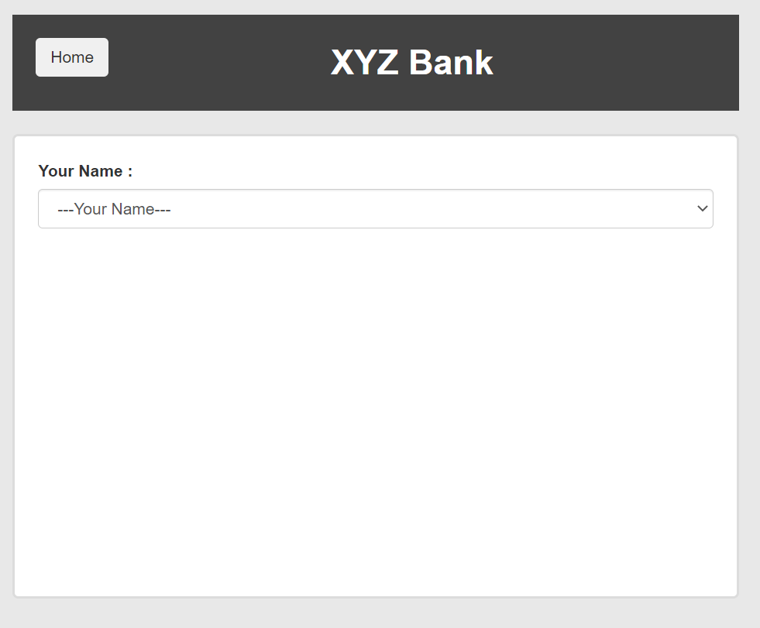
 |  |  |  |  |  |  |  |  |  |  |  |  | 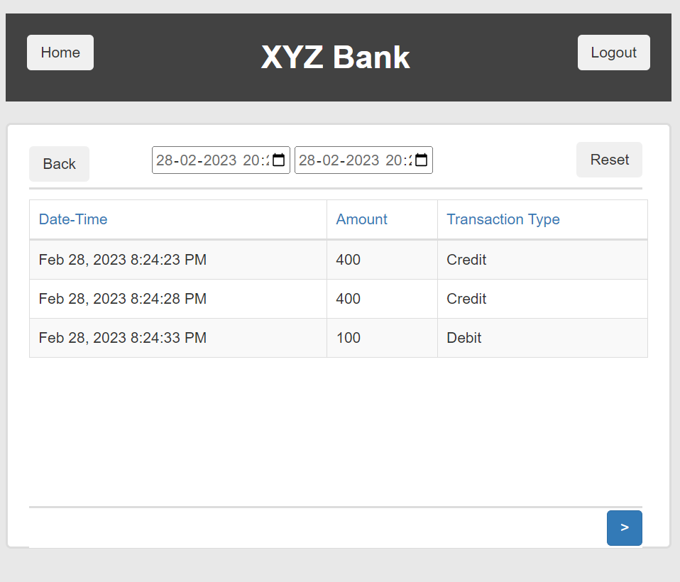

 |  |  |  |  |  |  |  |  |  |  |  |  | 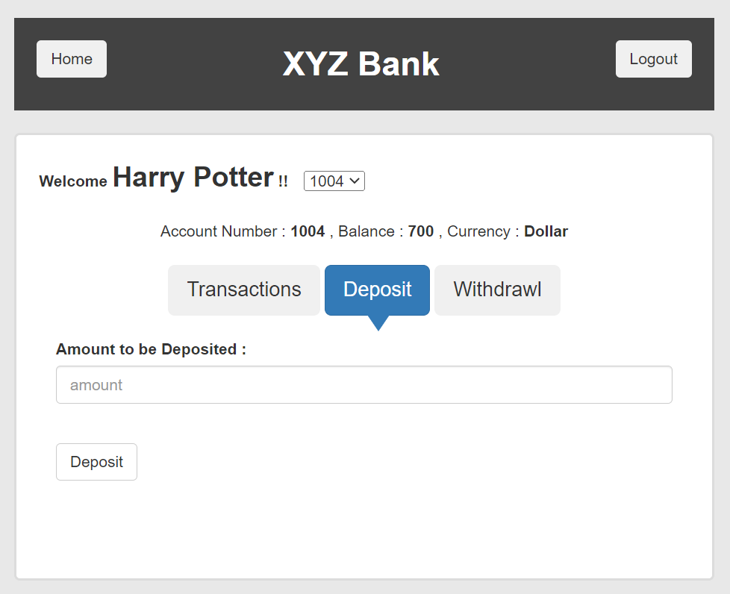 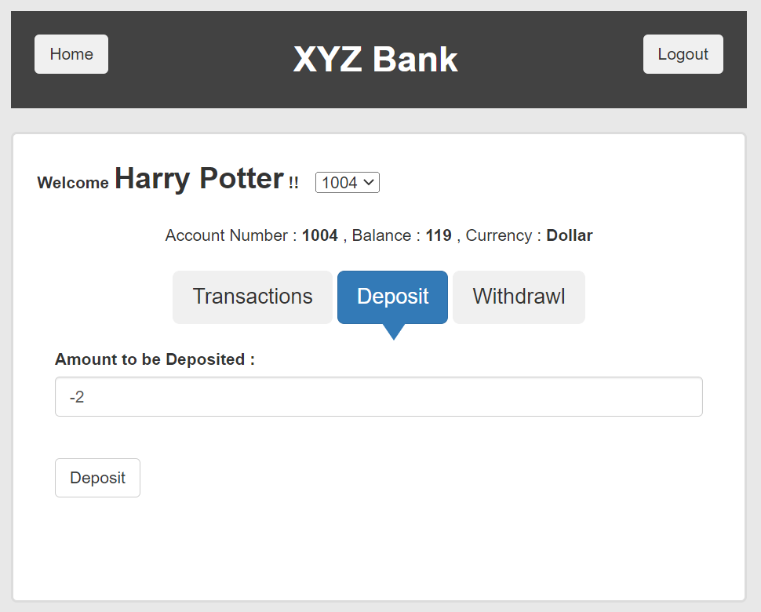
 |  |  |  |  |  |  |  |  |  |  |  |  | 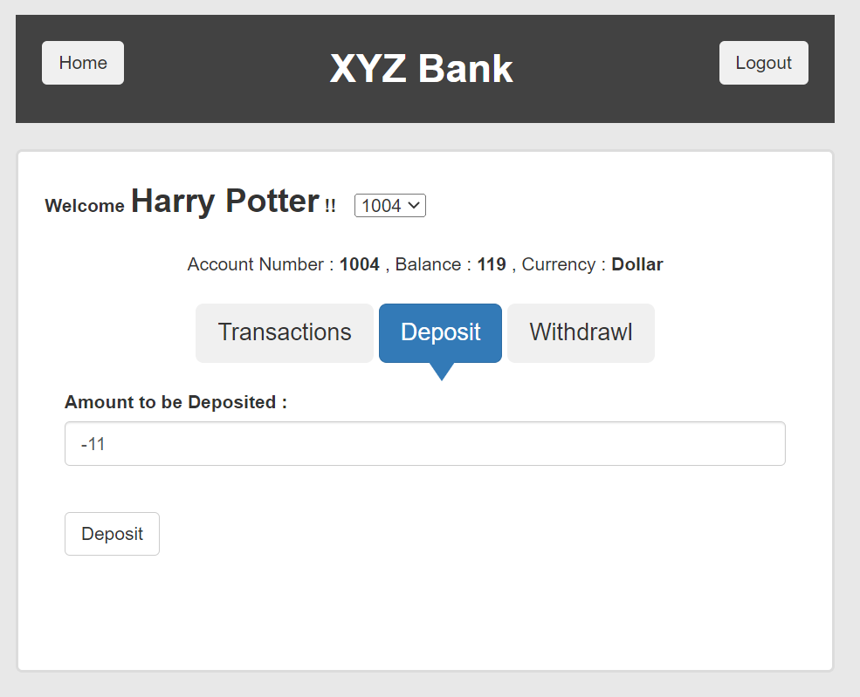

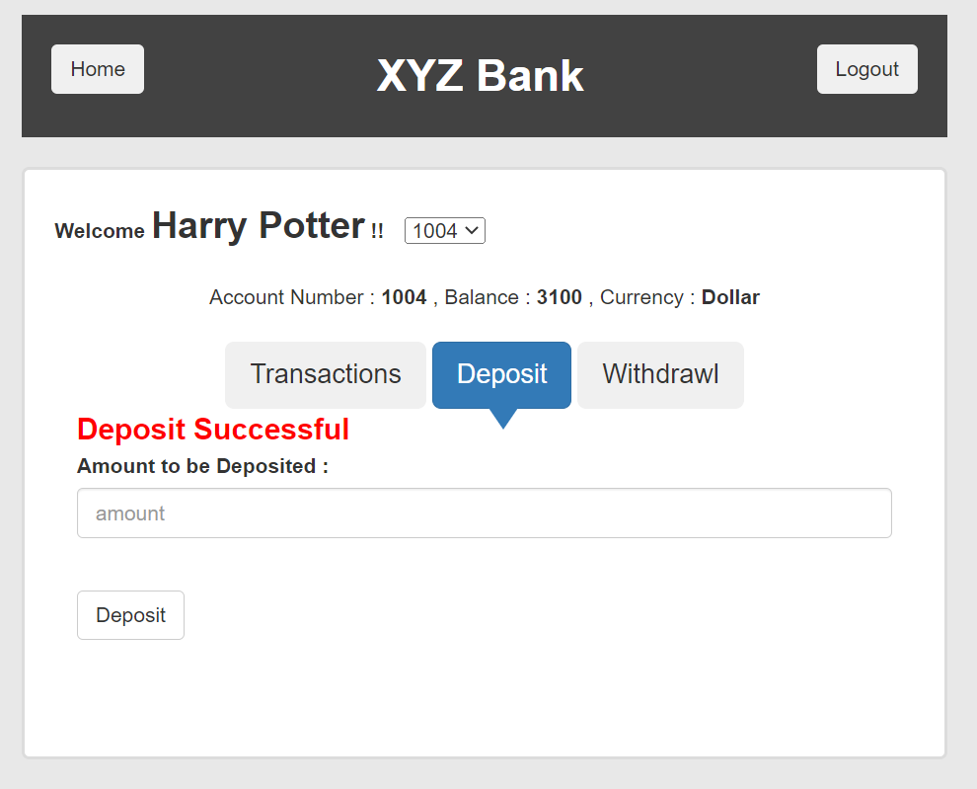

 |  |  |  |  |  |  |  |  |  |  |  |  | 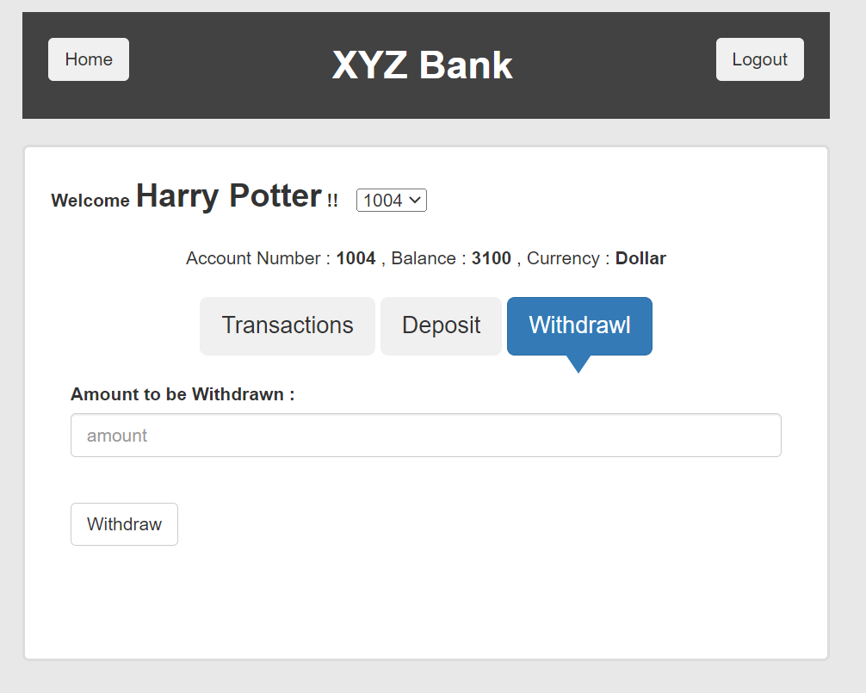  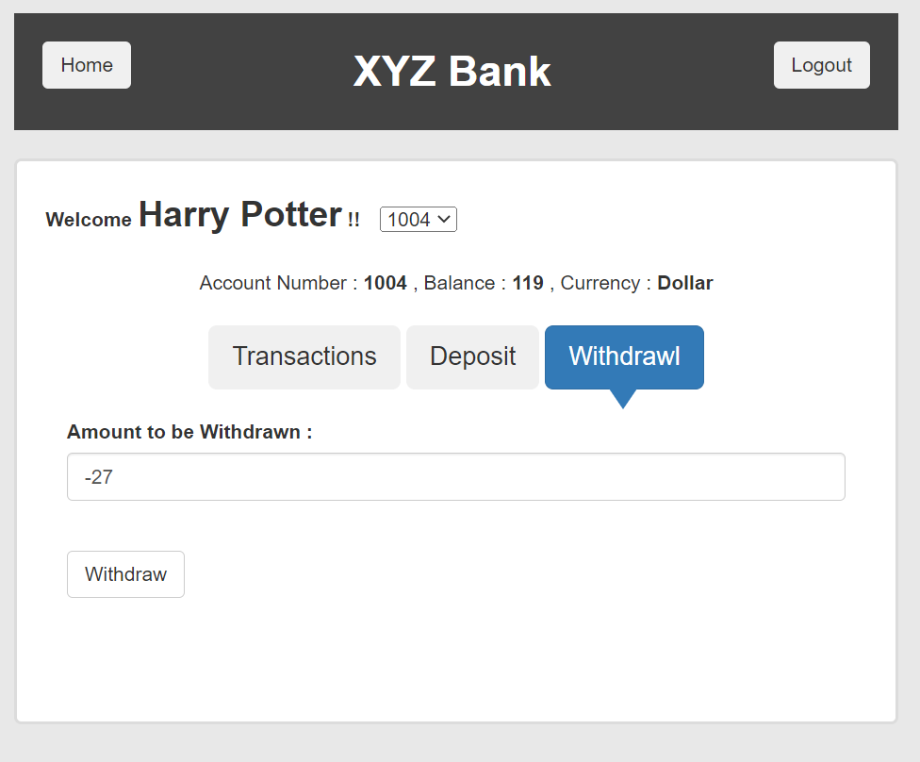
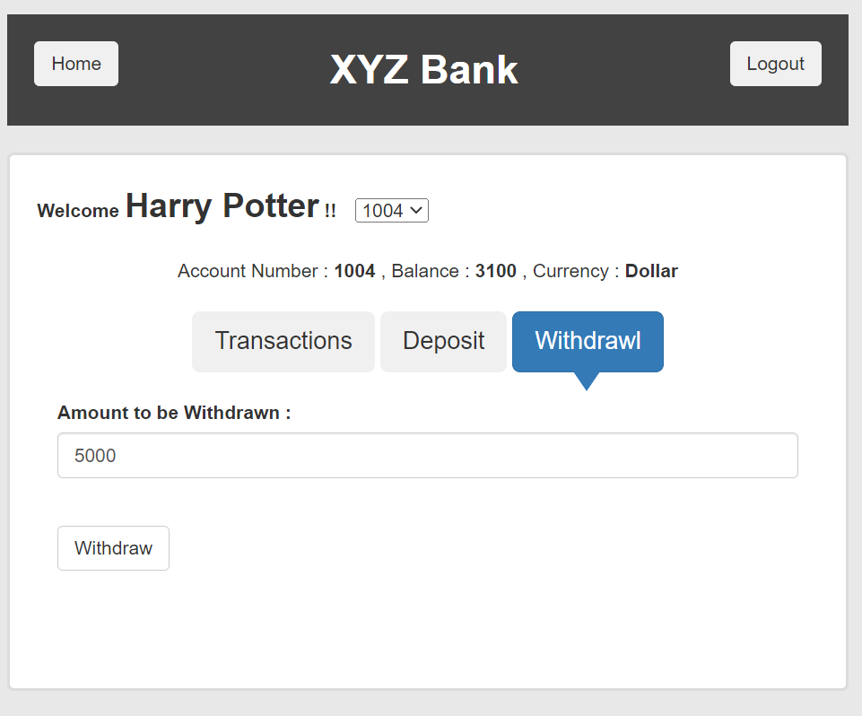

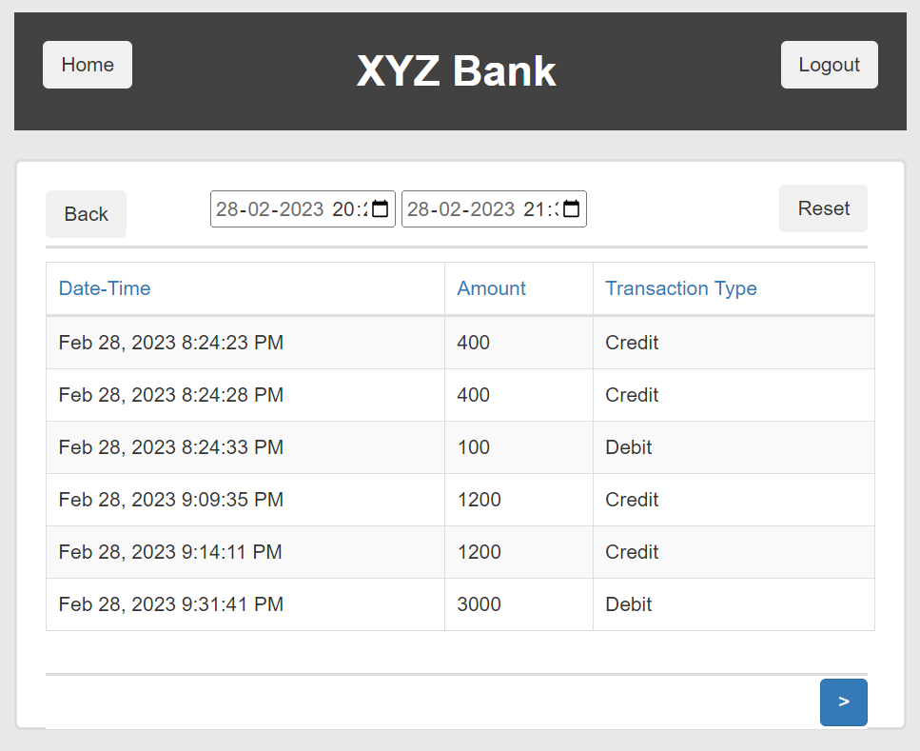

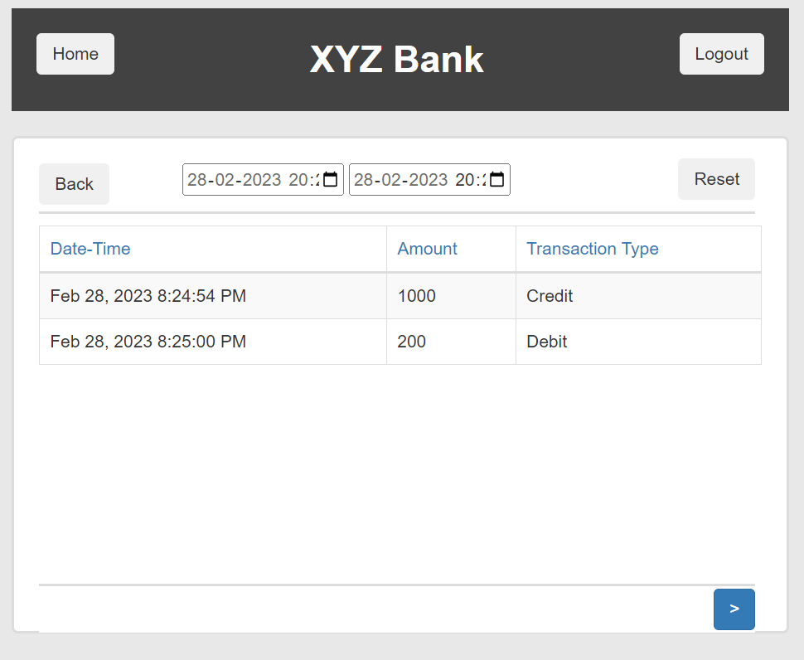

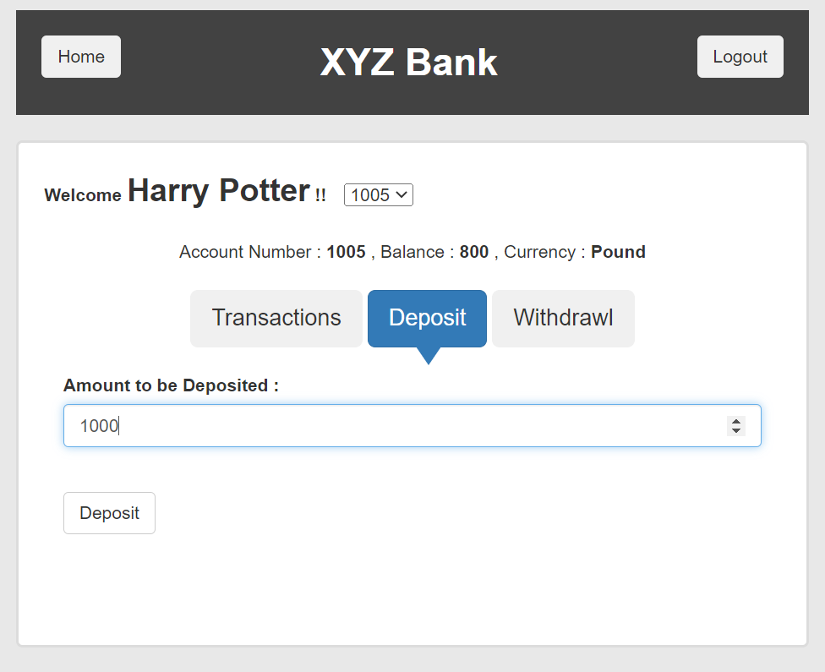
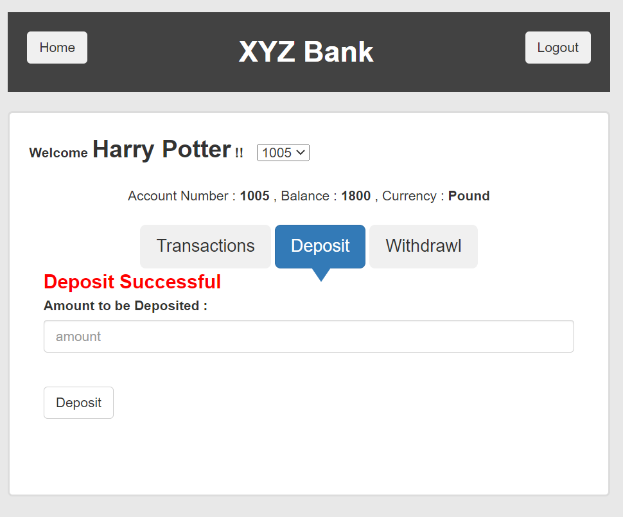

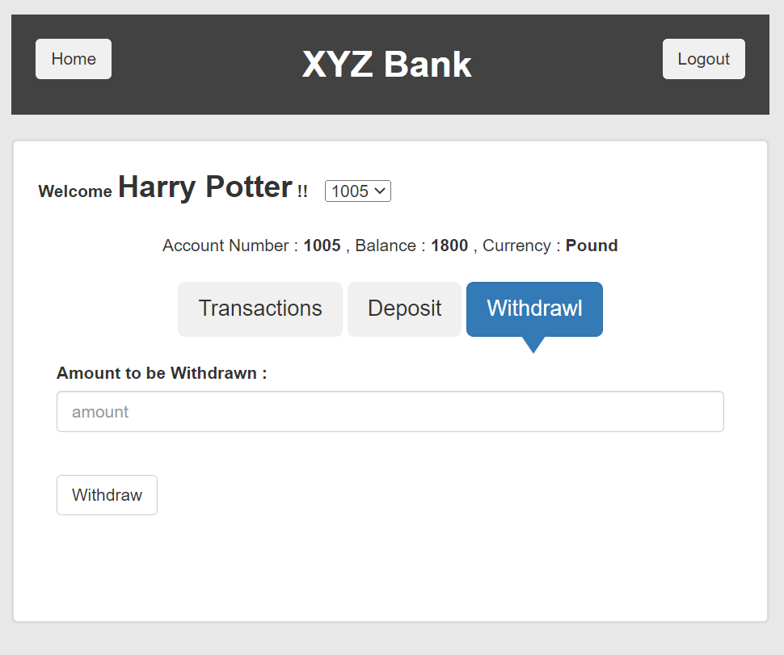

 |  |  |  |  |  |  |  |  |  |  |  |  | 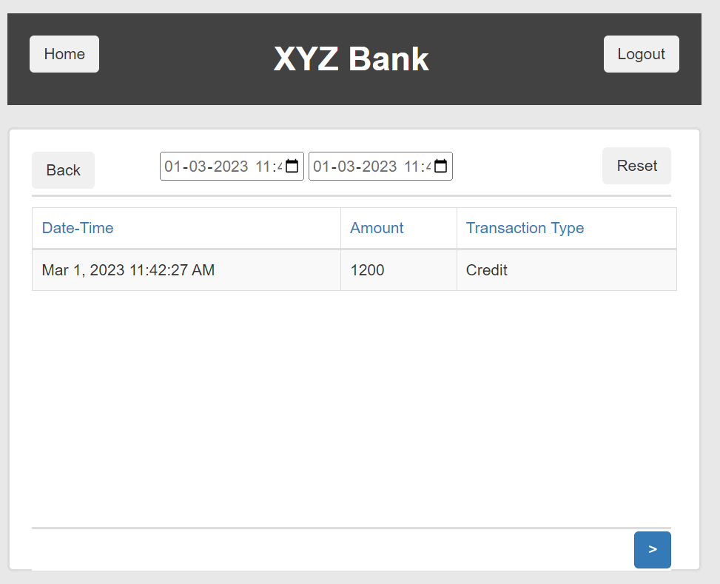

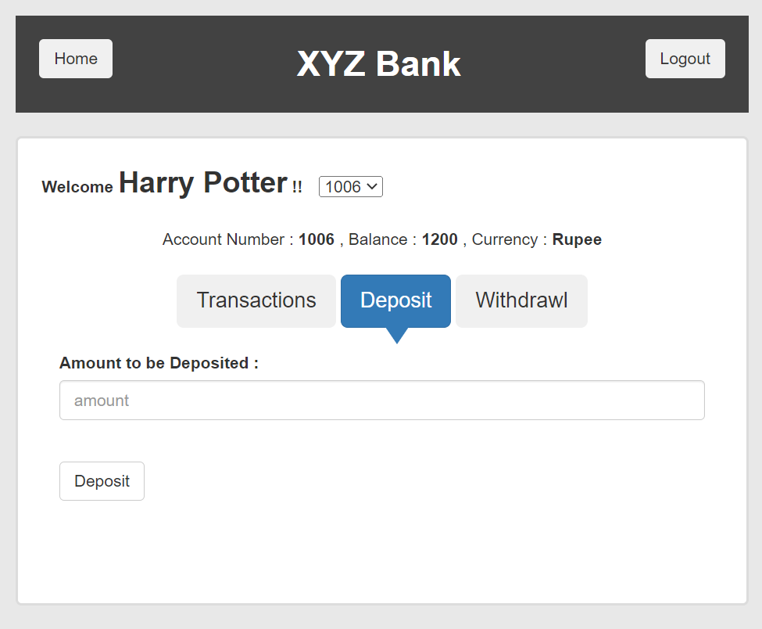
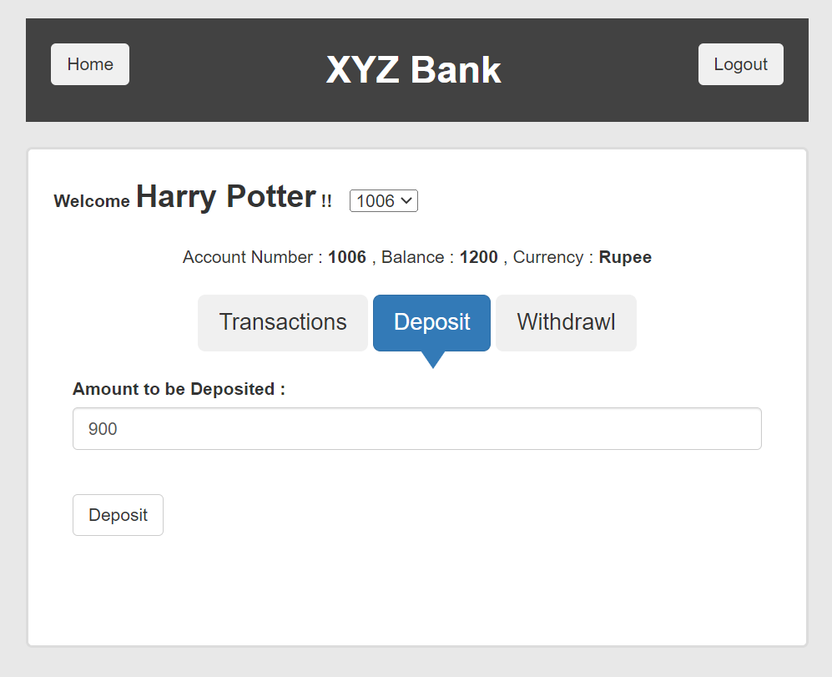
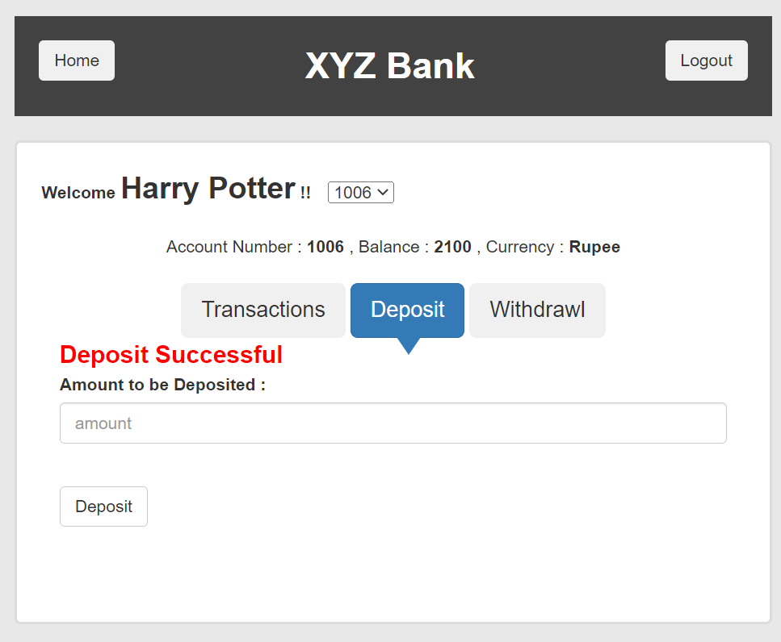

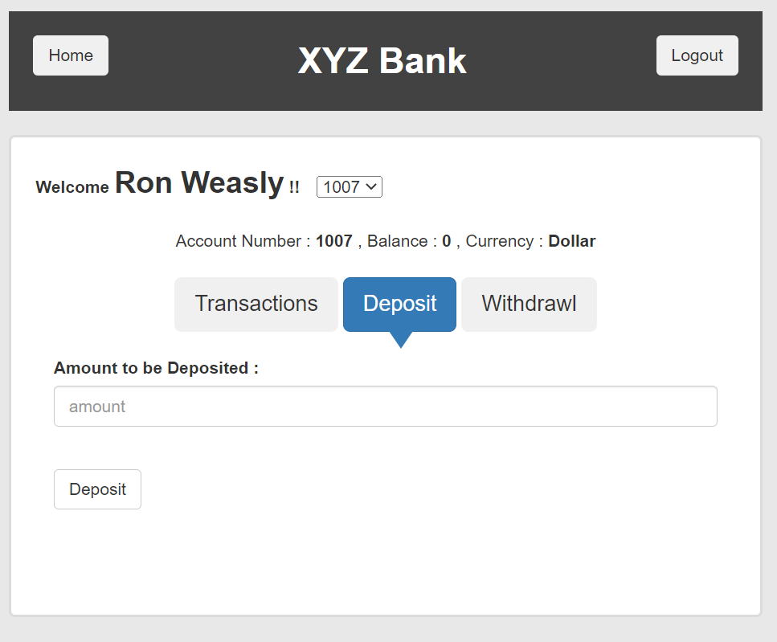
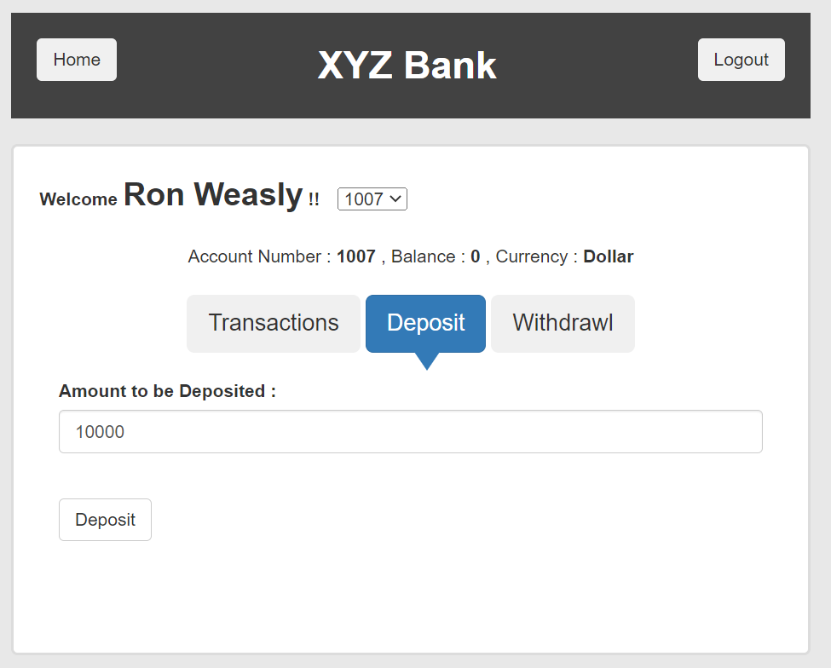
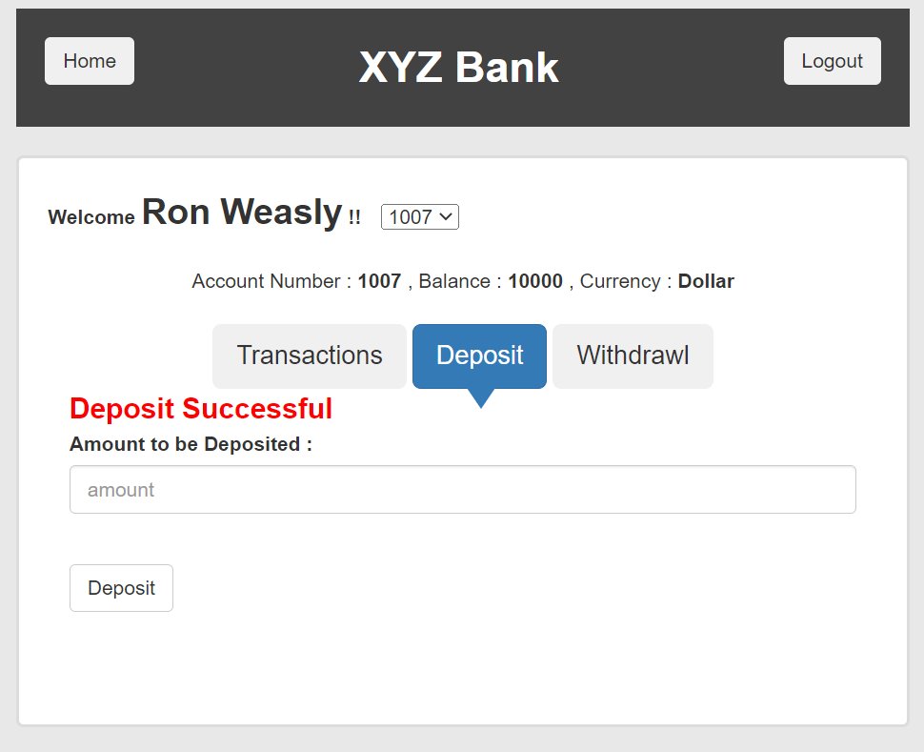

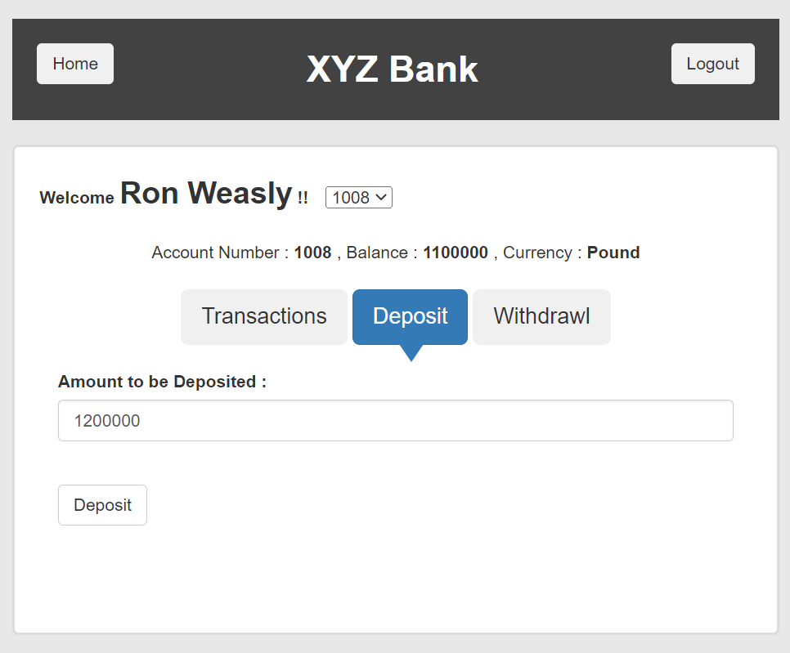

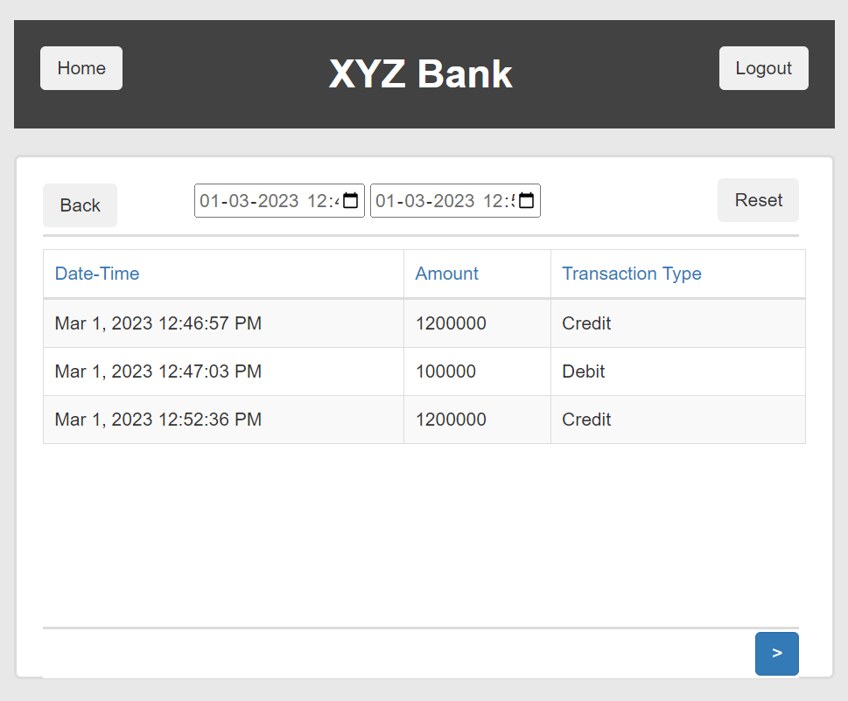

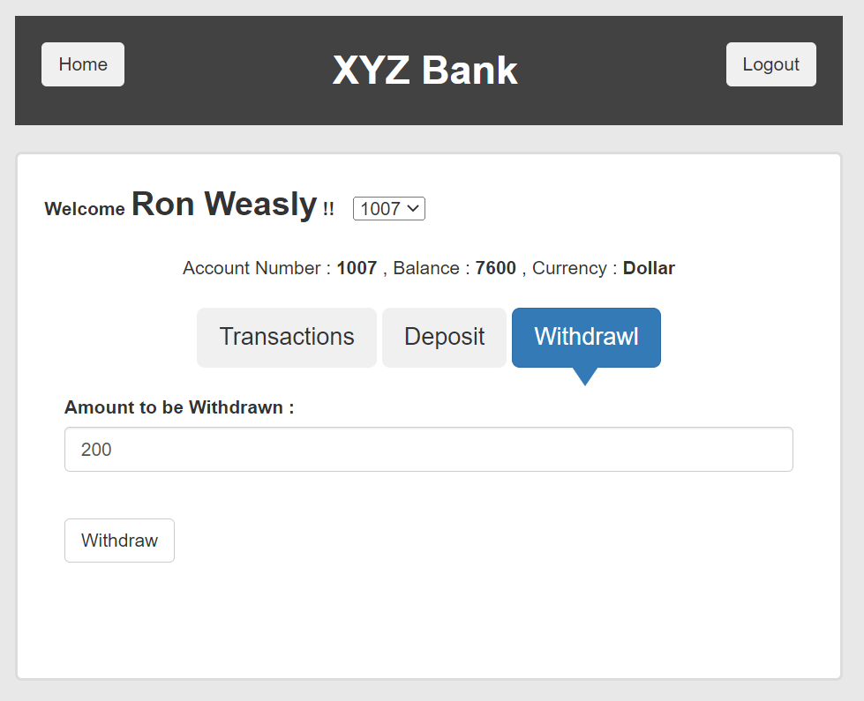
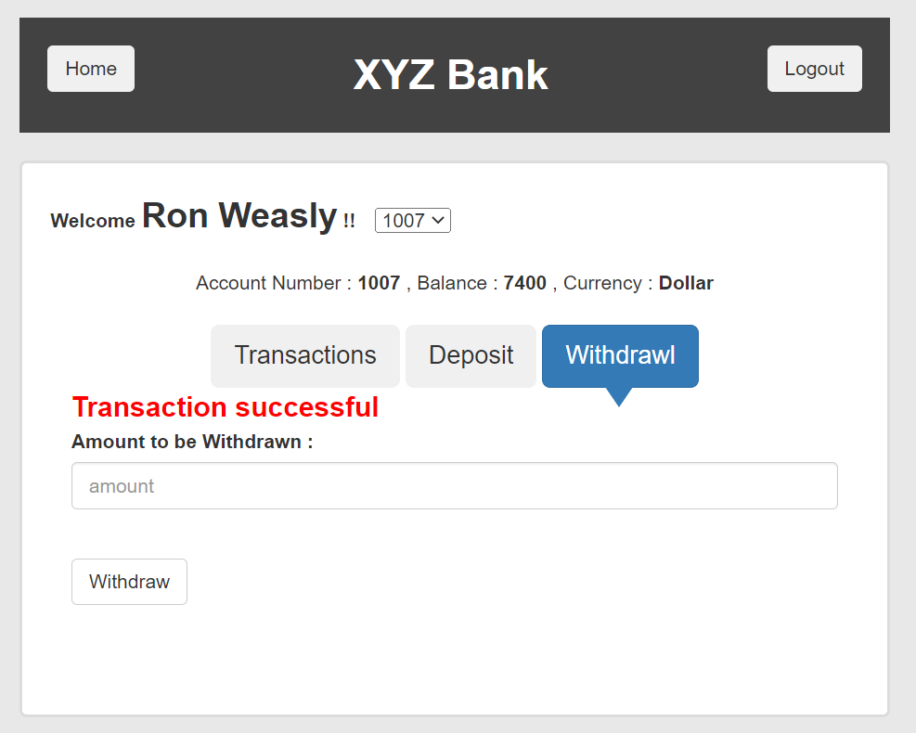
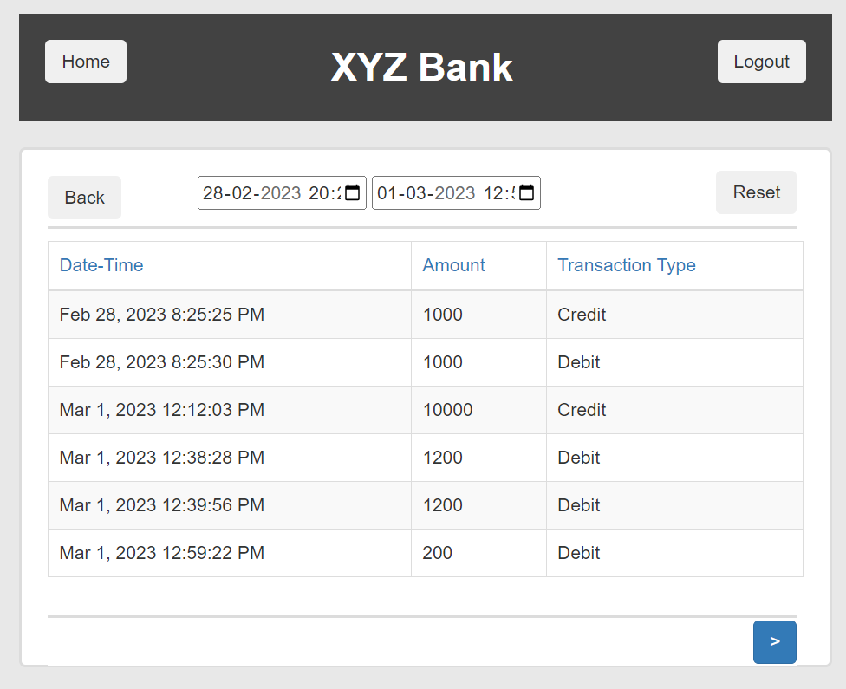
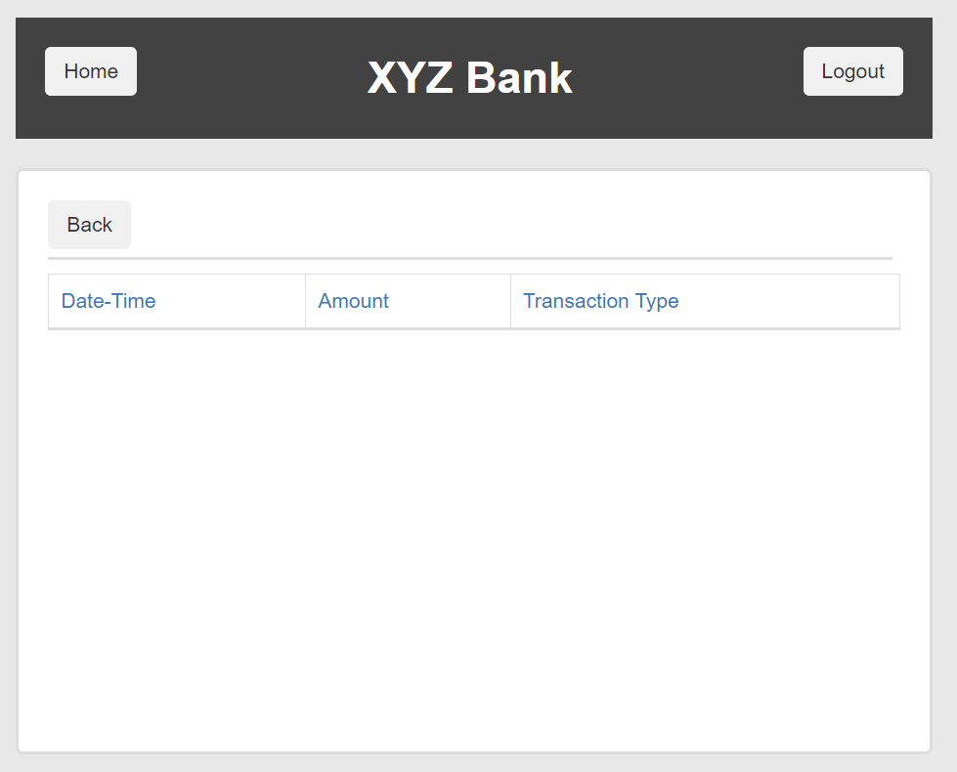
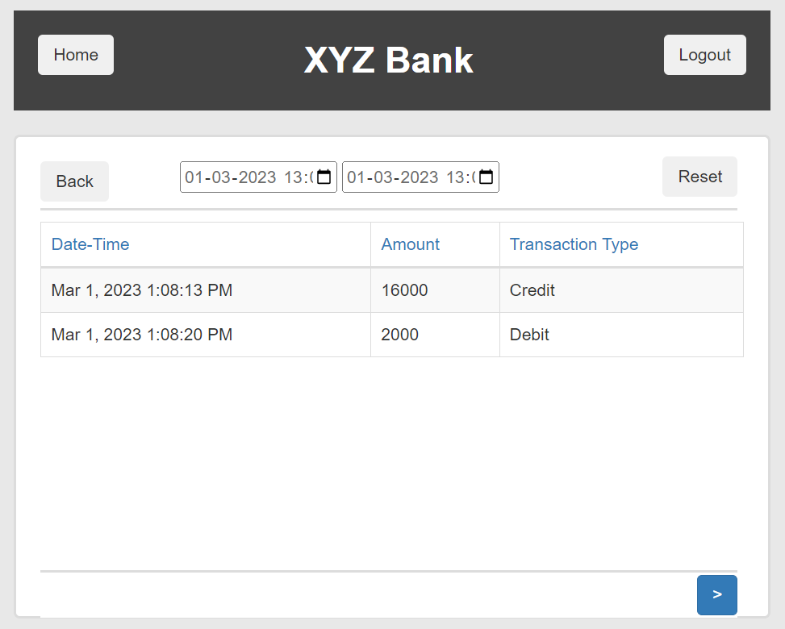
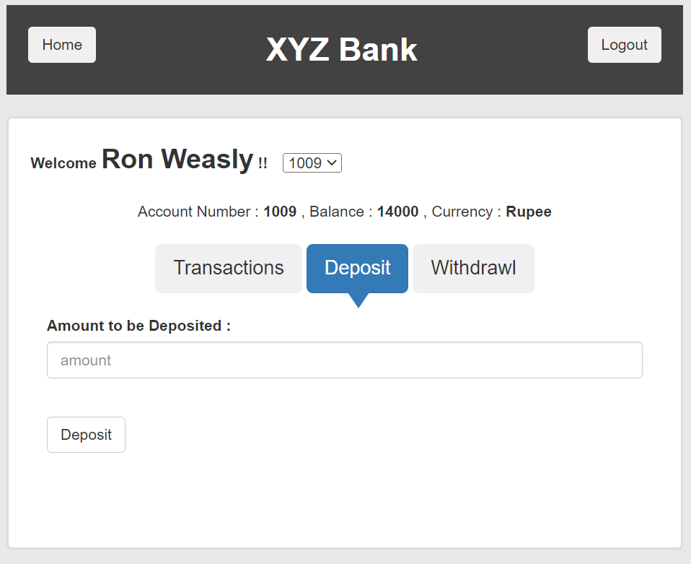
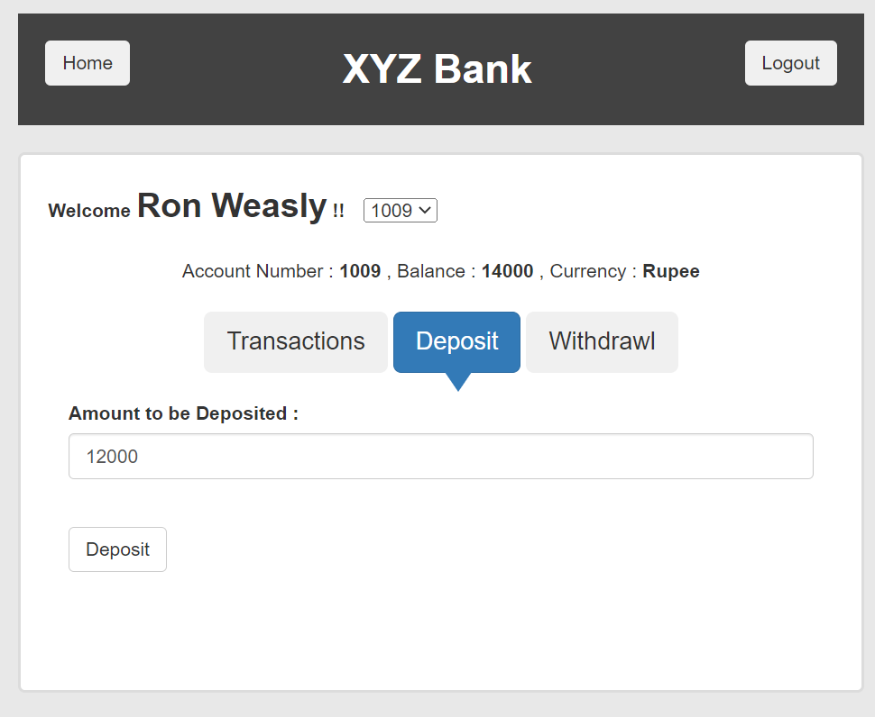
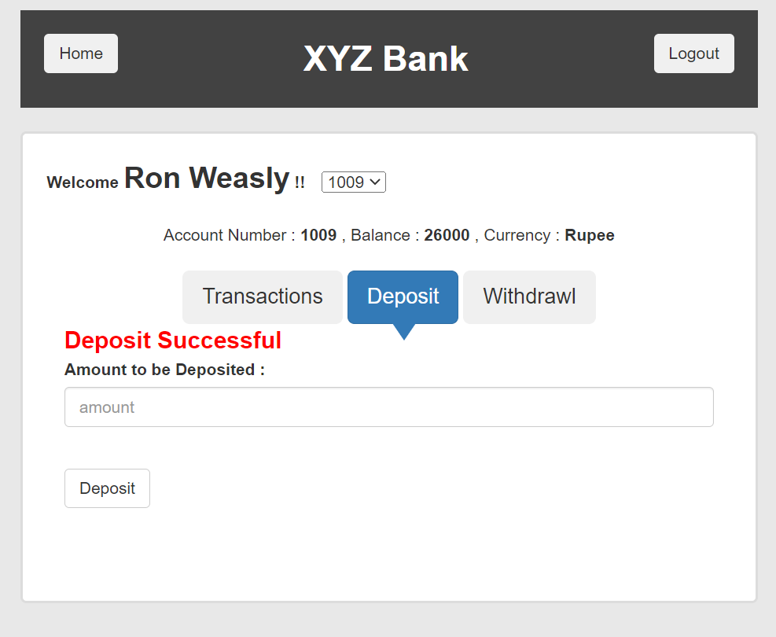

 |  |  |  |  |  |  |  |  |  |  |  |  | 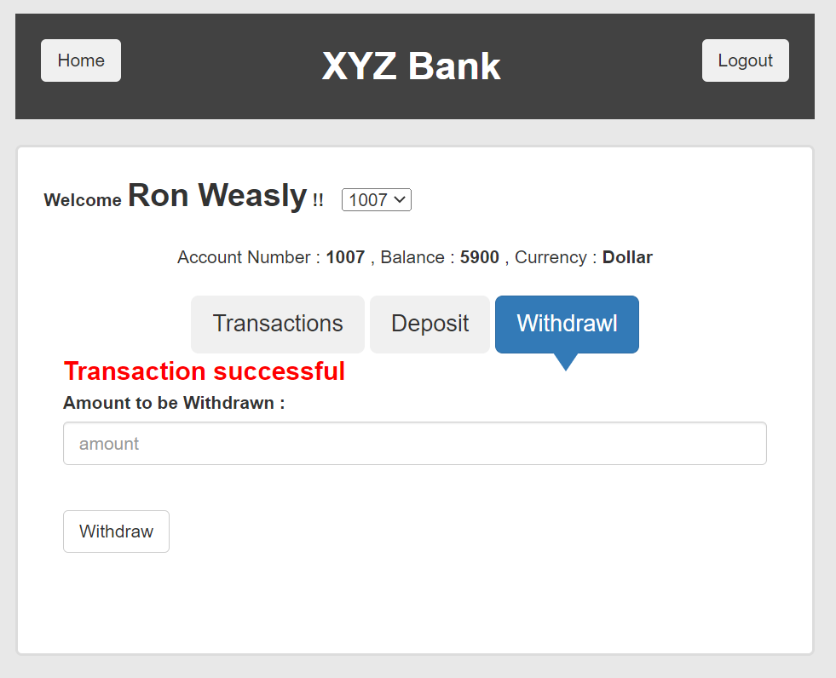 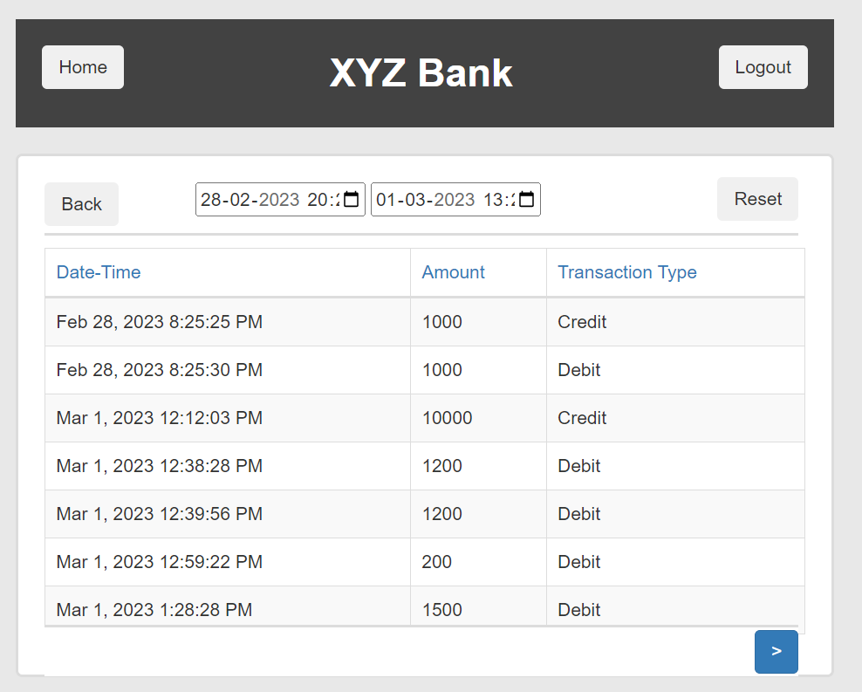 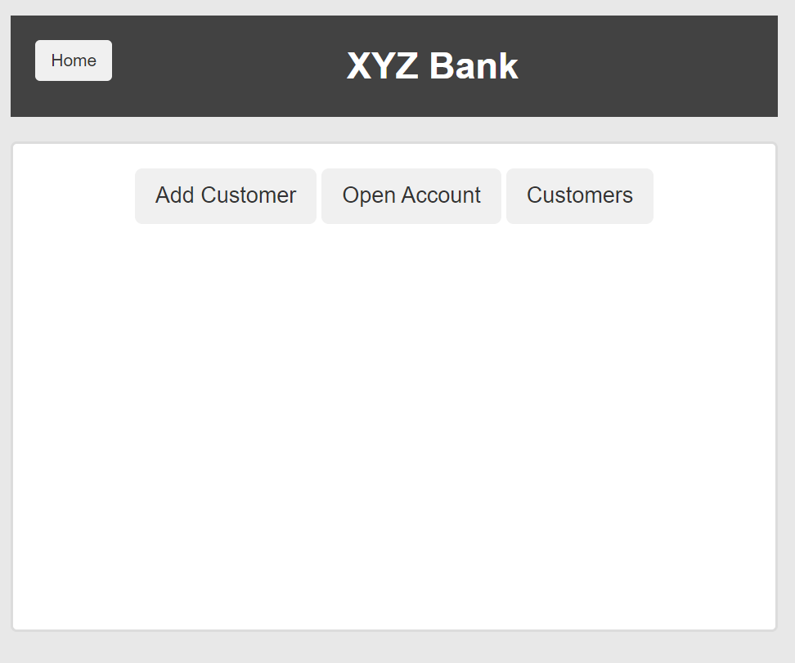
 |  |  |  |  |  |  |  |  |  |  |  |  | 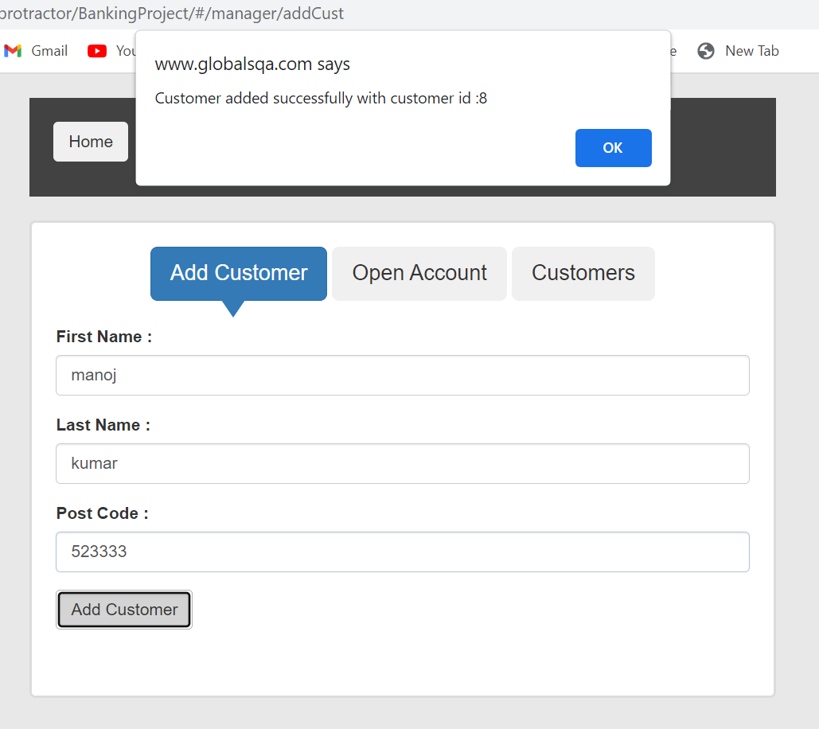
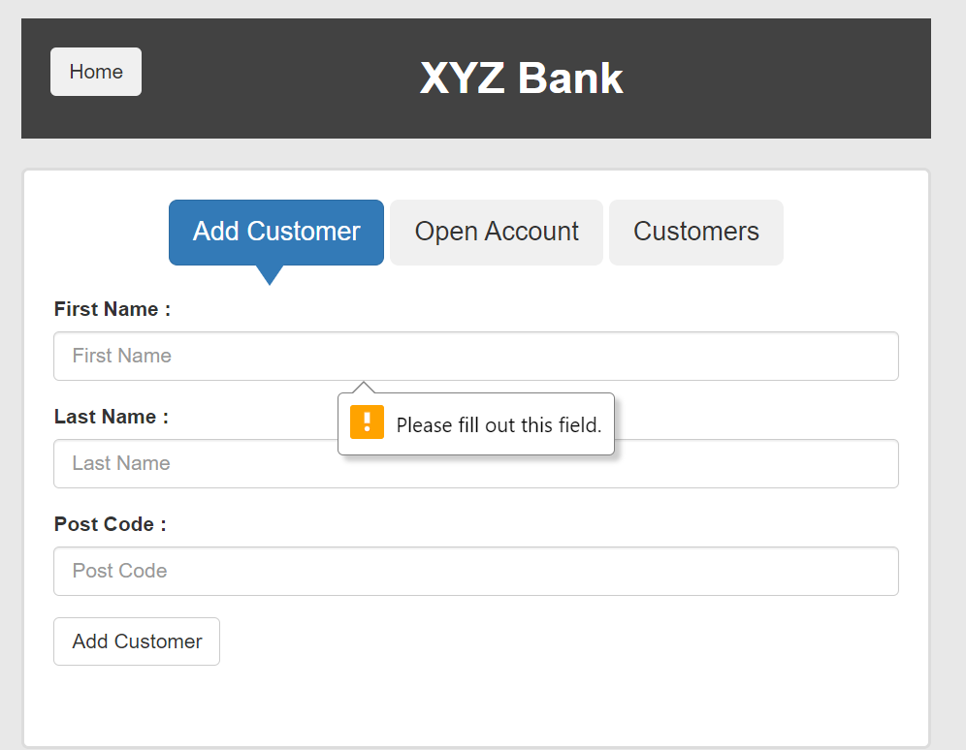
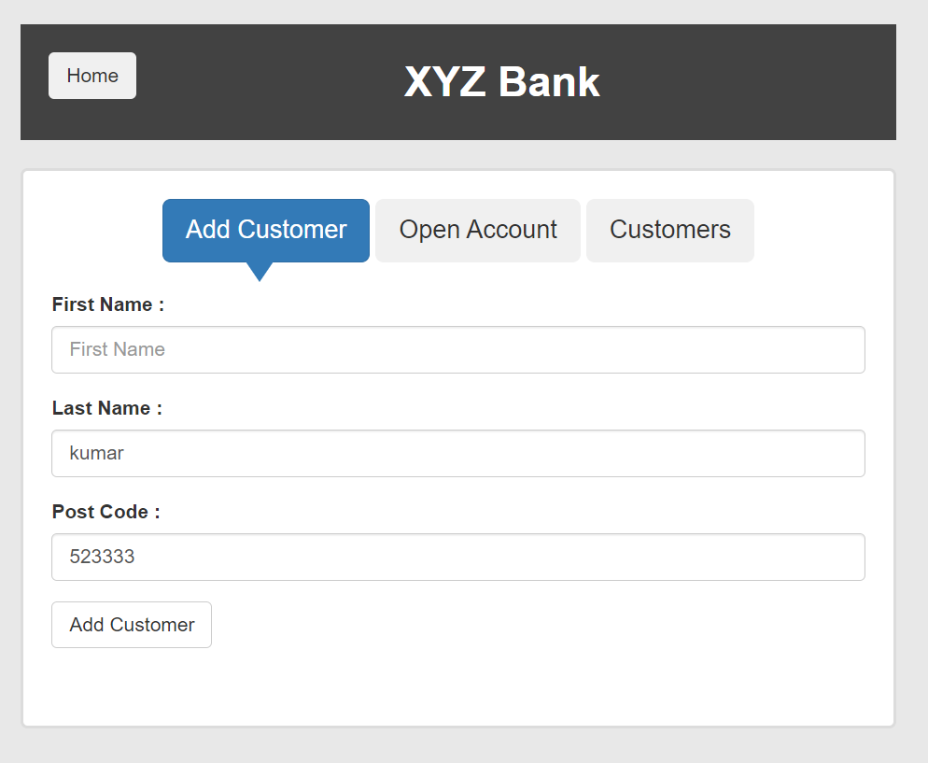

 |  |  |  |  |  |  |  |  |  |  |  |  | 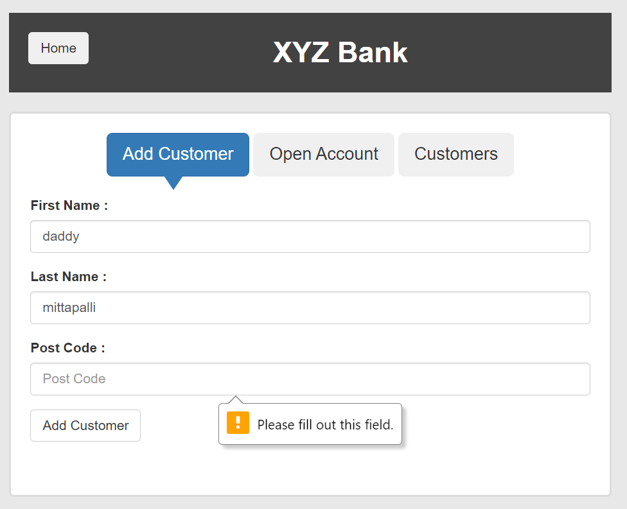 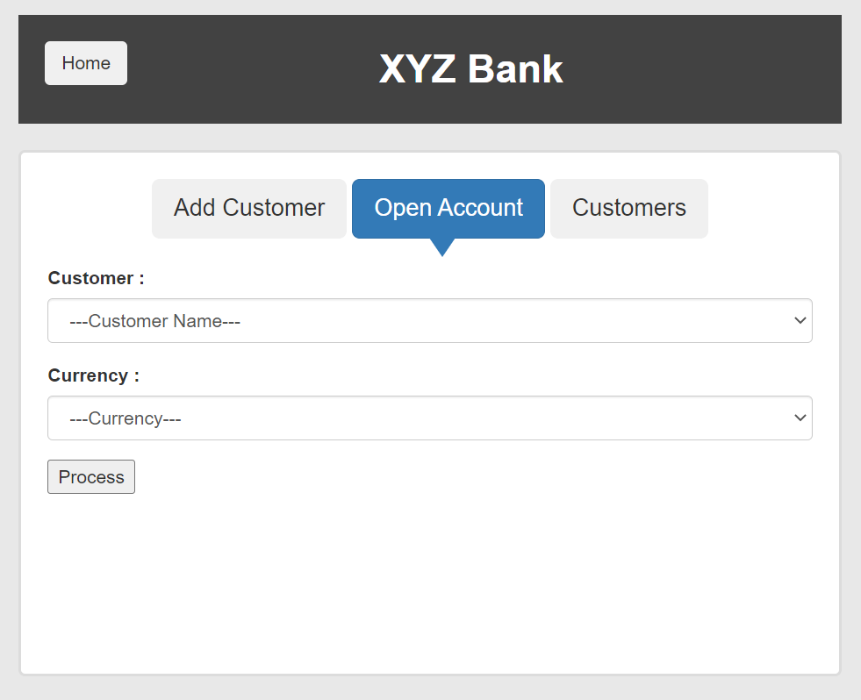 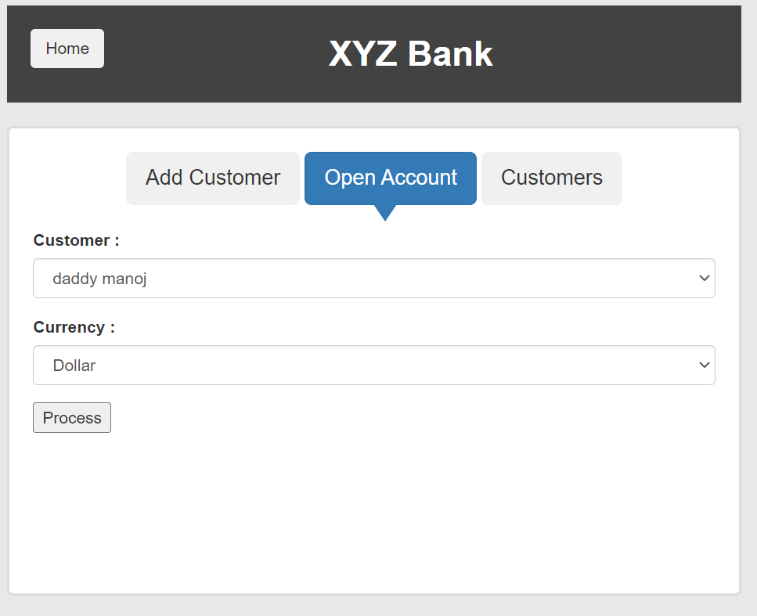 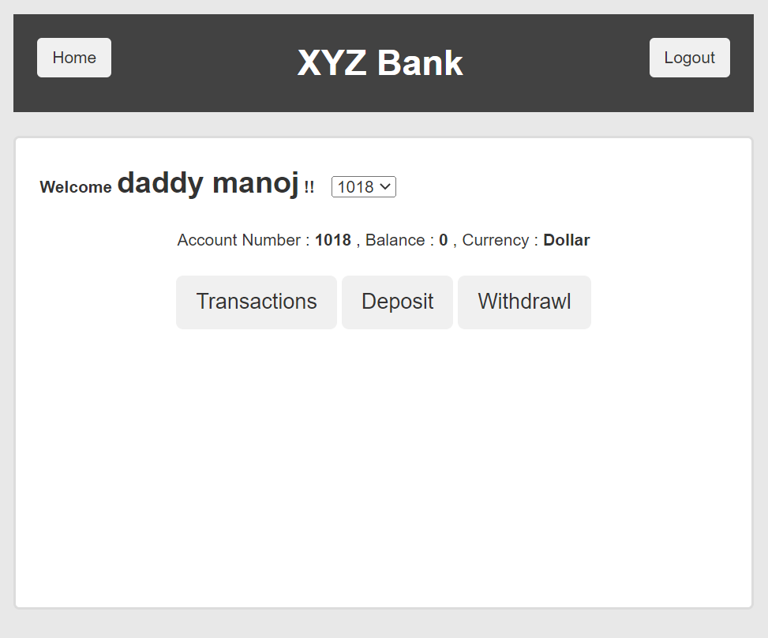

 |  |  |  |  |  |  |  |  |  |  |  |  | 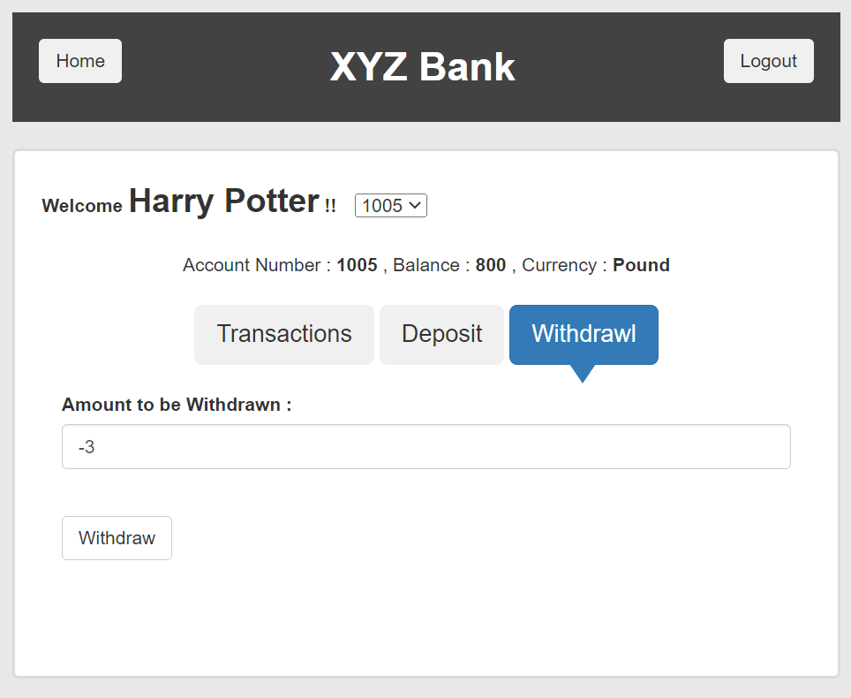 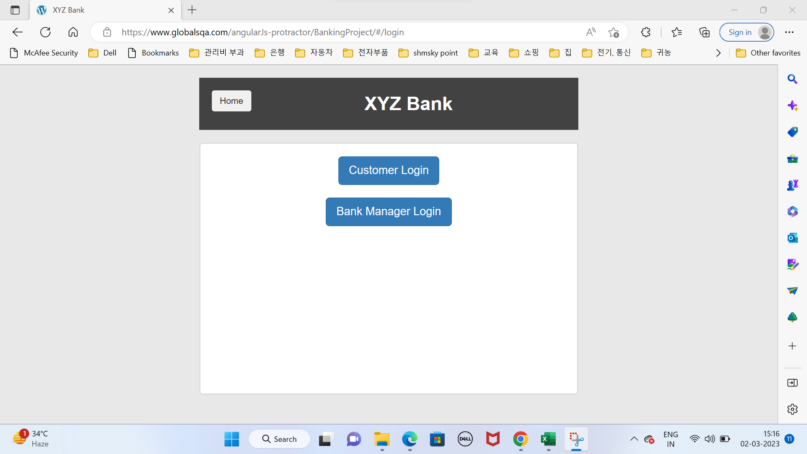

Defects
Defect number | Project Name | Module Name | Requirement Number | Test Case ID | Summary | Description | Issues | Severity | Priority | Assign to | Screen Shots
TSF_07_TC07_Defect_01 | Saucedemo | Search bar icon visibility check | REQ001 | TSF_07_TC07 | Search bar icon visibility check on the homepage | To check that when user is on the homepage the the search bar icon should be visible | Search bar icon is not displayed | High | p1 | Abusufiyan | 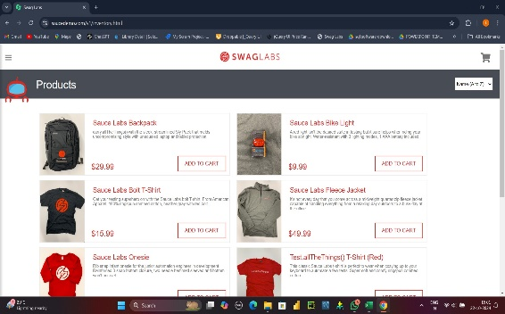
TSF_10_TC10_Defect_02 | Saucedemo | Cross mark functionality check in side menu bar. | REQ002 | TSF_10_TC10 | Cross mark functionality check in side menu bar | To check the functinality of Cross mark in the side menu bar. | Side menu bar not closed when clicked on Cross mark. | High | p1 | Abusufiyan | 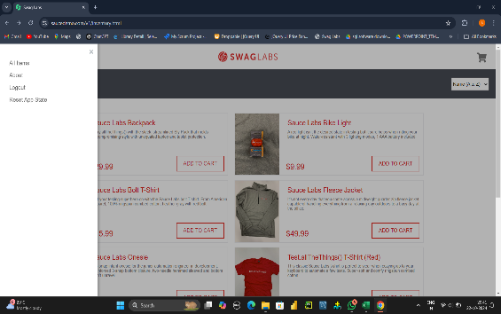

Defect_Snapshots
Defect ID | Test Case ID | Failed Screenshots
TSF_07_TC07_Defect_01 | TSF_07_TC07 | 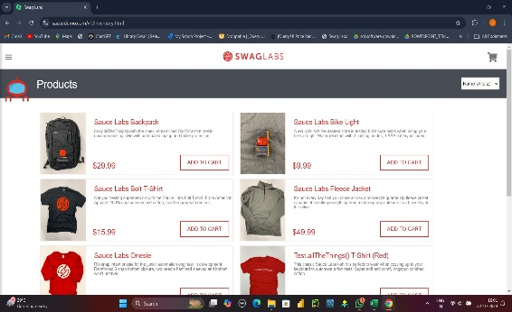
TSF_10_TC10_Defect_02 | TSF_10_TC10 | 